Vehicle_Garage
Example
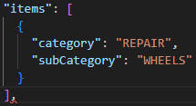
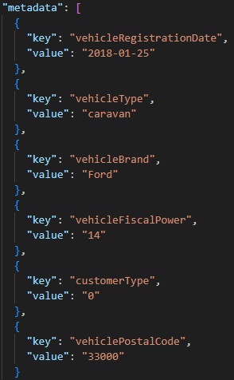
Example
metaData |  | array of objects
 | key
 | vehicleRegistrationDate | string | Date of first registration of the vehicle | Necessary
 | vehicleType | string | Vehicle type (private vehicle, 2 wheels, caravan...) | Necessary
 | vehicleBrand | string | Vehicle's brand | Necessary
 | vehicleFiscalPower | string | Fiscal power of the vehicle | if available
 | customerType | string | Flag customer type 0 : New customer 1 : Known customer | Necessary if fisrtOrderDate is unavailable
 | vehiclePostalCode | string | Postal code of the vehicle | Necessary

