Second_Hand
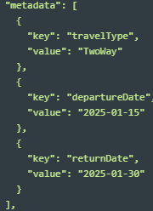
Depending on the available granularity, but at least the main category.
if possible, add a sub-category
Example
metaData |  | array of objects
 | key
 | productBrand | string | Brand of the most expensive product | Necessary
 | productModel | string | Most expensive product model | Necessary
 | productVersion | string | Version/year of the most expensive product | Necessary
 | reconditionedStatus | string | reconditioning status | Necessary
 | customerType | string | Flag customer type 0 : New customer 1 : Known customer | Necessary if firstOrderDate is unavailable
 | smartphonesCount | string | Number of smartphones in the shopping cart | Necessary
 | insurance | string | Flag if an insurance is purchased | Necessary

