Trainning_Course
Example
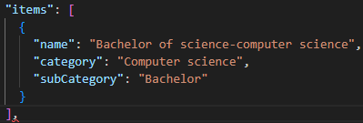
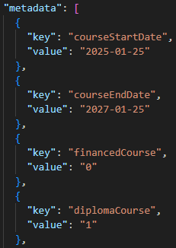
Example
metaData |  | array of objects
 | key
 | courseStartDate | string | start date of the course (YYYY-MM-DD) | Necessary
 | courseEndDate | string | end date of the course (YYYY-MM-DD) | Necessary
 | financedCourse | string | Flag if course is partially/totally funded by a third party organization (ex : CPF in France) : 0 : no 1 : yes | Necessary
 | diplomaCourse | string | Flag if course leads to a diploma : 0 : no 1 : yes | Necessary
 | tbd | string | Flag if course is a post-high school degree (post-bac in France) 0 : no 1 : yes | Necessary

